Wheels
 |  |  | S = Standard Equipment A = Available -- (dashes) = Not Available D = ADI Available ■ = Included in Equipment Group □ = Included in Equipment Group but upgradeable * = Indicates availability of feature on multiple models.
Orderable RPO Code | Ref. Only RPO Code | Wheels | Description | LT 1MC26 FWD 2LT | LT 1MC26 AWD 4LT | RS 1MD26 FWD 1RS | RS 1MD26 RWD 2RS | RS 1MD26 AWD 3RS | SS 1MG26 AWD 2SS
 | RT9 | 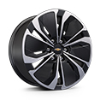 | Wheels, 19" (48.3 cm) machined-face aluminum with painted pockets | S | S | -- | -- | -- | --
 | RHR | 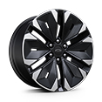 | Wheels, 21" (53.3 cm) machined-face aluminum with Black painted pockets | -- | -- | S | S | S | --
 | PHY | 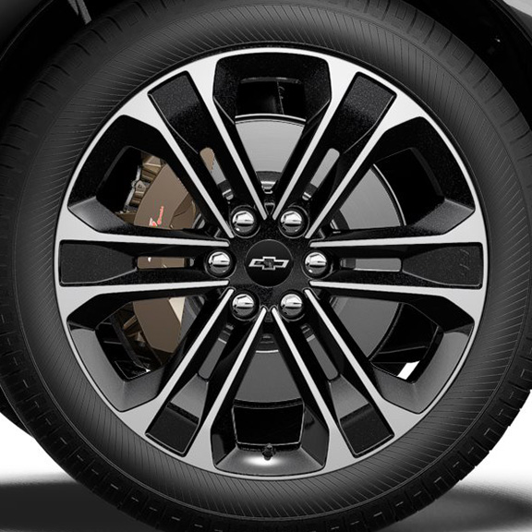 | Wheels, 22" (55.9 cm) machined-face aluminum with carbon flash painted pockets | -- | -- | -- | -- | -- | S
RHE |  | 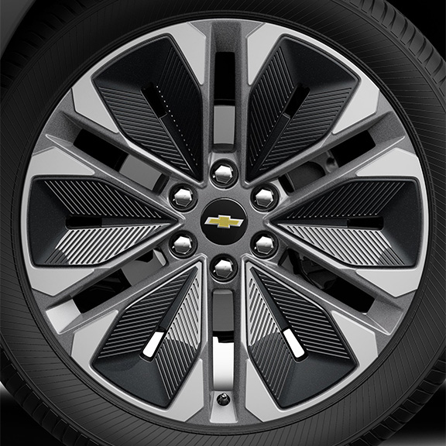 | NEW! Wheels, 21" (53.3 cm) machined-face aluminum with Grey painted pockets 1. Not available with (WJU) Midnight/Sport Edition. | A1 | A1 | -- | -- | -- | --
 | Q6M | 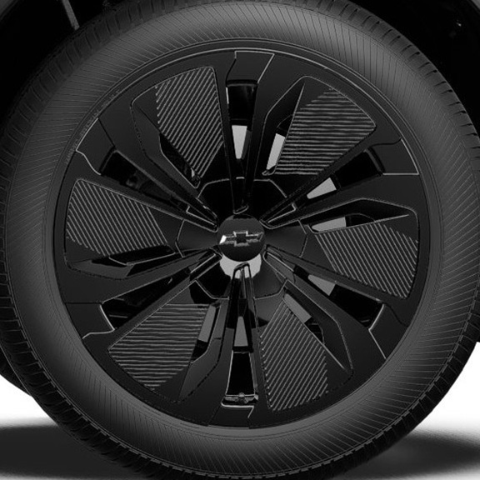 | NEW! Wheels, 19" (48.3 cm) Black aluminum 1. Included and only available with (WJU) Midnight/Sport Edition. | A1 | A1 | -- | -- | -- | --
SMB |  | 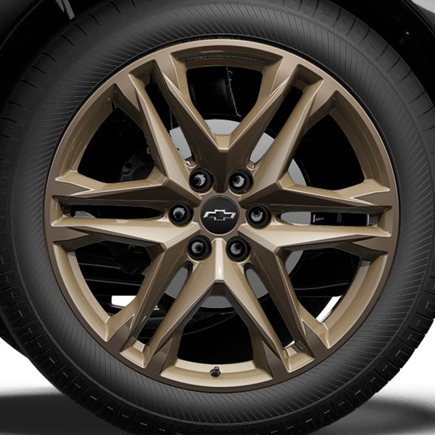 | LPO, 22" (55.9 cm) Bronze tech wheels, includes (SKT) Black wheel centre caps with Black bowtie LPO, (SPY) Black lug nuts LPO, (SPZ) Black wheel locks LPO, (QHN) 275/40R22 all-season self-sealing blackwall tires, LPO, (SD5) tire pressure monitor LPO and (PJ6) transit wheels 1. Not available with (WJU) Midnight/Sport Edition. 2. Not available with (F41) Performance Package. | A1 | A1 | A | A | A | A2
SF2 |  | 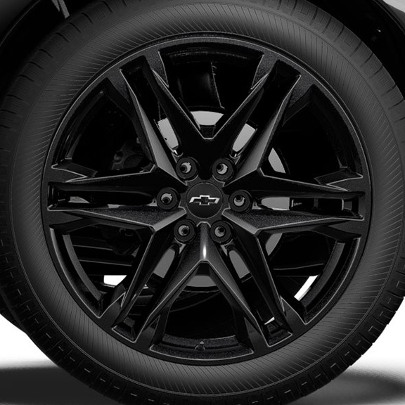 | LPO, 22" (55.9 cm) Gloss Black wheels, includes (SKT) Black wheel centre caps with Black bowtie LPO, (SPY) Black lug nuts LPO, (SPZ) Black wheel locks LPO, (QHN) 275/40R22 all-season self-sealing blackwall tires, LPO, (SD5) tire pressure monitor LPO and (PJ6) transit wheels 1. Not available with (WJU) Midnight/Sport Edition. 2. Not available with (F41) Performance Package. | A1 | A1 | A | A | A | A2

